maps
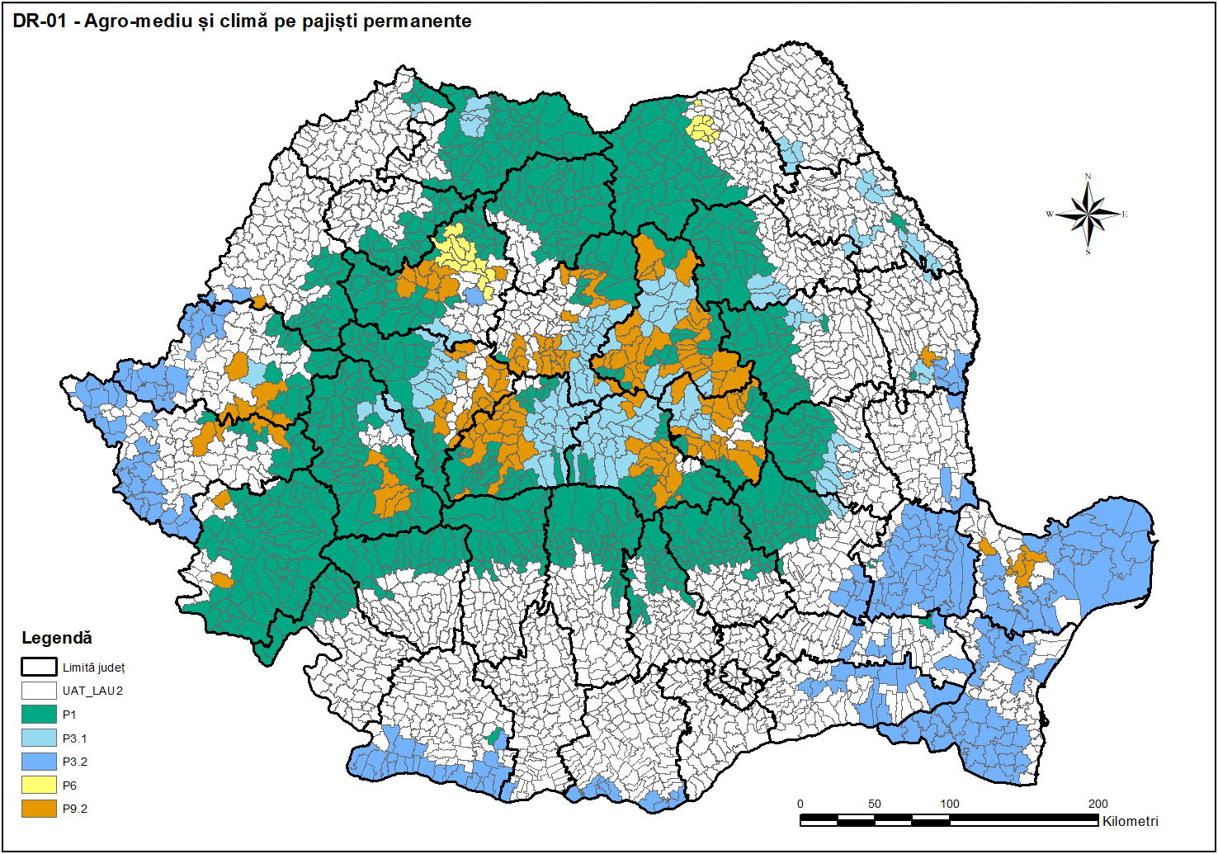
HĂRȚILE ZONELOR ELIGIBILE ÎN CADRUL INTERVENȚIILOR DE MEDIU ȘI CLIMĂ DIN PNS 2023-2020

